サンプル製品カタログ
 |  | ITEM
NAME | color |  | lady's or men's | WOVEN or KNIT | picture | Composition | packingNo.
lady's tulle one-piece SAMPLE CLOTHES | C/#GRAY | lady's tulle one-piece SAMPLE CLOTHES | lady's | WOVEN FABRIC | 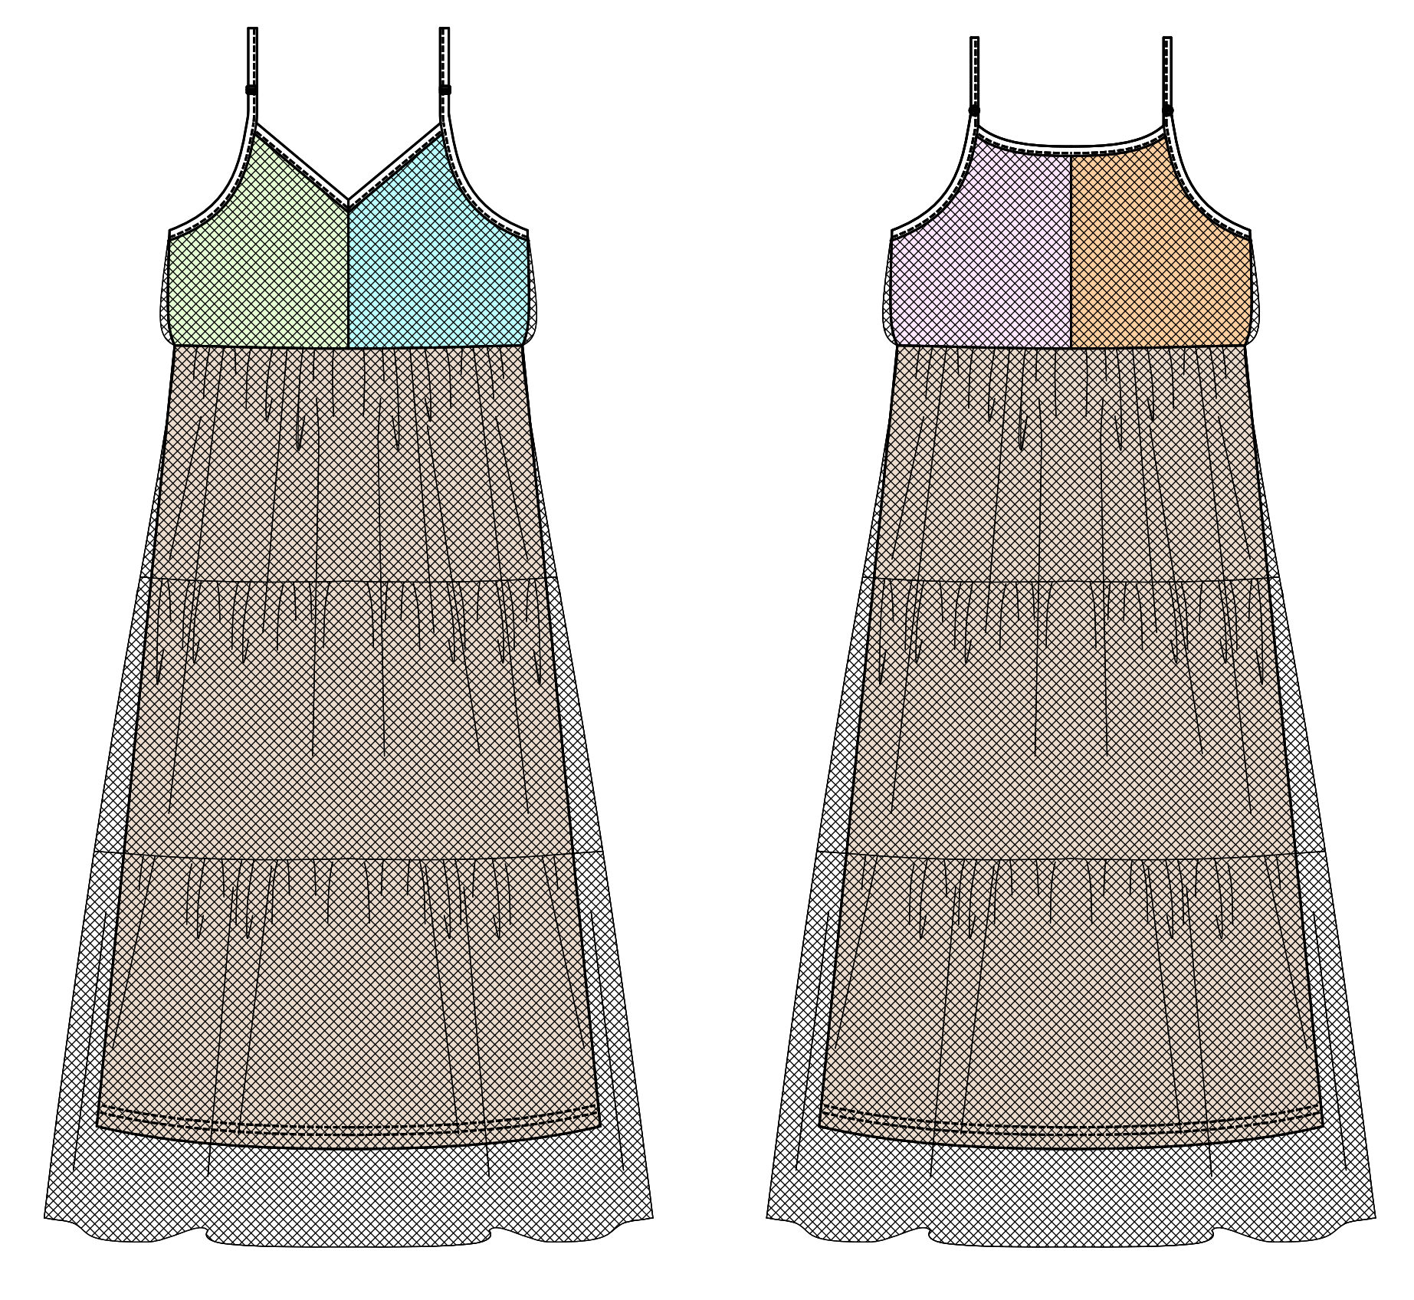 | FRONT NYLON 100% | 27
men's jersey pants SAMPLE CLOTHES | C/#RED | men's jersey pants SAMPLE CLOTHES | men's | KNIT FABRIC |  | FRONT COTTON 100% | 27
lady's quilting short pants SAMPLE CLOTHES | C/#BLUE | lady's quilting short pants SAMPLE CLOTHES | lady's | WOVEN FABRIC | 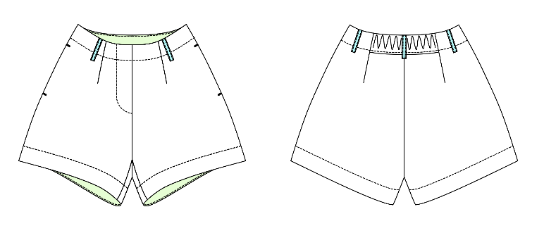 | FRONT COTTON 100% | 27
men's coat SAMPLE CLOTHES | C/#BEIGE | men's coat SAMPLE CLOTHES | men's | WOVEN FABRIC | 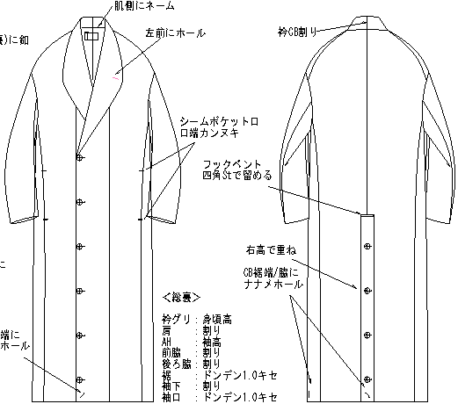 | FRONT COTTON 100% | 27
lady's short pants SAMPLE CLOTHES | C/#KHAKI | lady's short pants SAMPLE CLOTHES | lady's | WOVEN FABRIC | 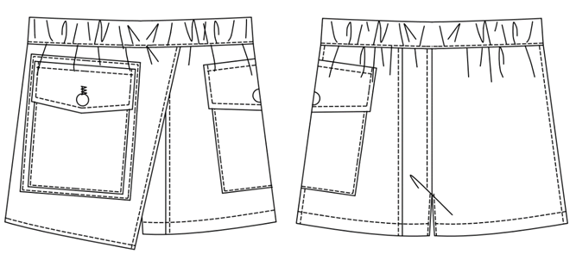 | FRONT COTTON 100% | 27
men's denim jacket SAMPLE CLOTHES | C/#BLUE | men's denim jacket SAMPLE CLOTHES | men's | WOVEN FABRIC | 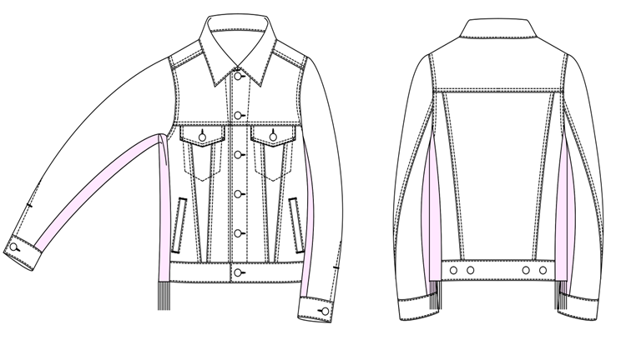 | FRONT COTTON 100% | 27

